Workout
Accounting and Financial Analysis

Workout
 | Calculate operating profit, EBIT and EBITDA in all periods. Present your answer in thousands.
 | Assume the cash flow statement impairment is the correct number included in the income statement.

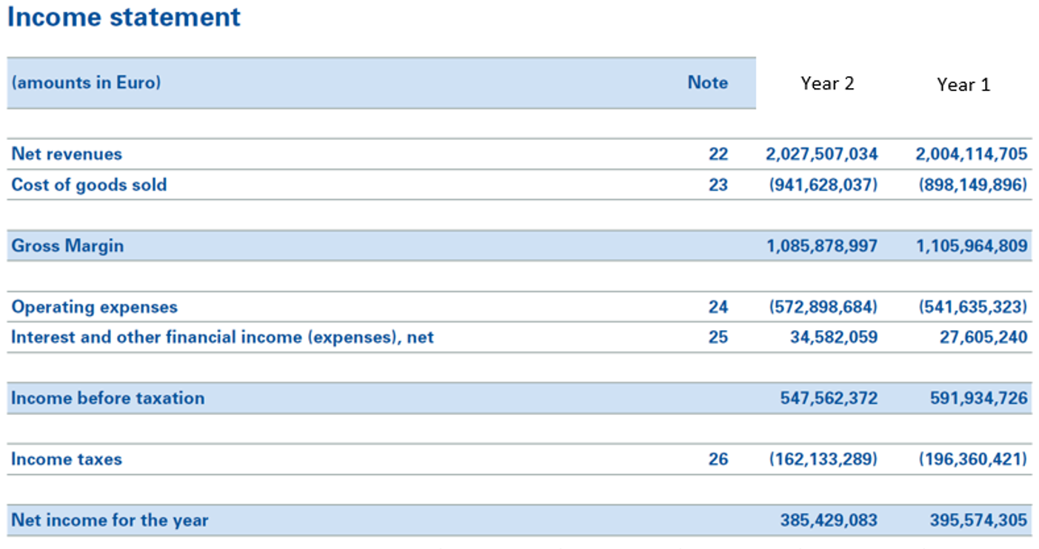

 |  | Year 2 | Year 1
 | Income before taxation as reported | 547,562.4 | 591,934.7
 | Interest and other financial income (expenses), net | 34,582.1 | 27,605.2
 | Operating profit | 512,980.3 | 564,329.5
 | Impairments of fixed assets | 127.0 | 0.0
 | EBIT | 513,107.3 | 564,329.5
 | Depreciation and amortization | 32,317.0 | 25,911.0
 | EBITDA | 545,424.3 | 590,240.5

End

